Sheet1
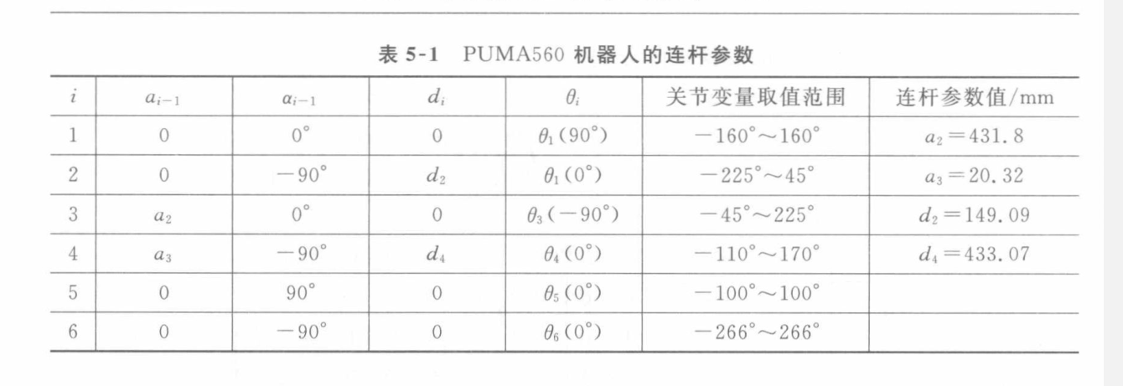
$$i$$
$$a_{i−1}$$
$$α_{i−1}$$
$$d_{i}$$
$$θ_{i}$$
 |  |  |  |  | 关节变量范围/° | 分析状态
1 | 0 | 0 | 0 | 90 | 0~360 | done
2 | 0 | 90 | 0 | 90 | -90~90 | done
3 | 200 | 180 | 0 | -90 | 0~180 | done
4 | 47.63 | -90 | -184.5 | 0 | 0~360 | done
5 | 0 | 90 | 0 | 90 | -90~0 | done
6 | 0 | 90 | 0 | 0 | 0~360 | done

